story idea
region | visits / Visites | percentage of total visits / Pourcentage du nombre total de visites
Ontario | 1688854 | 52.34%
Quebec | 681946 | 21.13%
British Columbia | 316088 | 9.80%
Alberta | 239466 | 7.42%
Nova Scotia | 73692 | 2.28%
Manitoba | 68850 | 2.13%
Saskatchewan | 55539 | 1.72%
New Brunswick | 49483 | 1.53%
Newfoundland and Labrador | 24731 | 0.77%
Prince Edward Island | 13933 | 0.43%
Northwest Territories | 5966 | 0.18%
Yukon Territory | 5366 | 0.17%
Nunavut | 1388 | 0.04%
unknown | 1365 | 0.04%

Province | Open Canada visits
Nova Scotia | 73692
New Brunswick | 49483
Newfoundland and Labrador | 24731
Prince Edward Island | 13933

New Brunswickers want open data!

 | PEI | NS | NB
Most viewed | 641 | 24151 | 452
2nd most viewed | 533 | 8333 | 336
3rd most viewed | 484 | 7290 | 114
4th most viewed | 419 | 5970 | 108
5th most viewed | 414 | 5933 | 85
But Open Data in NB is not very interesting...

 | BC | AB | QC | NL | PEI | NS | NB
2014 published count | 138 | 57 | 82 | 21 | 0 | 0 | 0
2015 published count | 43 | 407 | 87 | 44 | 0 | 228 | 0
2016 published count | 49 | 1389 | 193 | 14 | 0 | 221 | 0
2017 published count | 31 | 263 | 233 | 1 | 33 | 231 | 5
2018 published count | 46 | 176 | 130 | 0 | 153 | 160 | 75

 | 2014 | 2015 | 2016 | 2017 | 2018
BC | 138 | 43 | 49 | 31 | 46
AB | 57 | 407 | 1389 | 263 | 176
QC | 82 | 87 | 193 | 233 | 130
NL | 21 | 44 | 14 | 1 | 0
PEI | 0 | 0 | 0 | 33 | 153
NS | 0 | 228 | 221 | 231 | 160
NB | 0 | 0 | 0 | 5 | 75

chart

 | 2014 | 2015 | 2016 | 2017 | 2018
PEI | 0 | 0 | 0 | 33 | 153
NS | 0 | 228 | 221 | 231 | 160
NB | 0 | 0 | 0 | 5 | 75

At least we are catching up with new open datasets!

But there is still a long way to go…
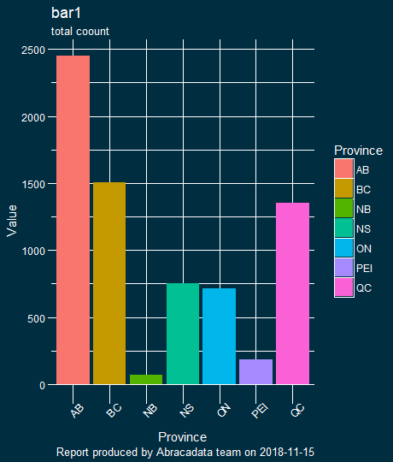

 |  |  |  |  |  |  |  |  |  | probably better just to quote the actual numbers…

 |  |  | pei | ns | nb |  | pei | ns | nb
 |  | population | 152,021 | 953,869 | 753,914 |  | 16 | 54 | 1
 |  | top 5 total views | 2491 | 51677 | 1095
 |  | views per 1000 | 16 | 54 | 1

Maybe there is more interesting data out there like:
PEI | NS
OD0013 Motor Vehicle Collisions from 1980 | Crown Land
OD0009 Official School Enrolment from 1999 | Nova Scotia Government Employee Absenteeism
OD0033 Motor Vehicle Registrations from 1918 | Birth Registrations 1864-1877, 1908-1917 (delayed registrations 1830-1917)
OD0001 Pesticide Analysis for Stream Water | Marriage Bonds 1763-1864; Marriage Registrations 1864-1942
OD0038 Groundwater Level Monitoring | Death Registrations 1864-1877, 1908-1967; City of Halifax 1890-1908

